Sheet1
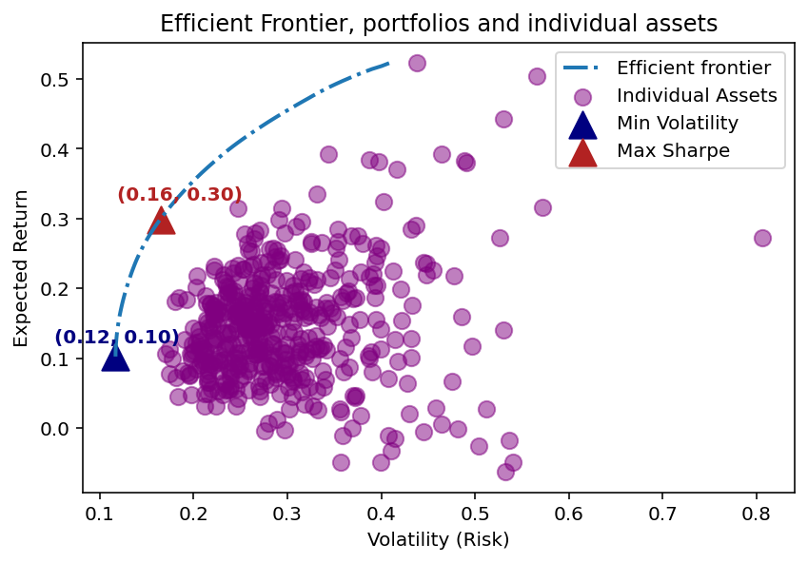

Inversión: 10, 000 USD | PYTHON |  | FD4 |  |  | OWN |  | ALL ASSETS
 | Max Sharpe Ratio | Min Volatility | Max Sharpe Ratio |  | Min Volatility | Max Sharpe Ratio | Min Volatility | Max Sharpe Ratio | Min Volatility
Expected Annual Return | 29.90% | 12.10% | 30.50% |  | 14.10% | 29.90% | 10.20% | 29.90% | 10.20%
Annual Volatility | 16.50% | 12.00% | 17.00% |  | 12.70% | 16.50% | 11.70% | 16.50% | 11.70%
Sharpe Ratio | 1.81 | 1.01 | 1.8 |  | 1.11 | 1.81 | 0.87 | 1.81 | 0.88
Funds Remaining | $19.52 | $23.26 | $27.54 |  | $11.13 | $19.52 | $7.10 | $19.52 | $3.39
Discrete Allocation | {'LLY': 3, 'PGR': 6, 'TPL': 2, 'CTAS': 5, 'DPZ': 2, 'NVDA': 14, 'KDP': 16, 'WST': 1, 'CBOE': 3, 'COST': 1, 'EXR': 2, 'TSLA': 1, 'NOC': 1, 'NFLX': 1, 'DXCM': 1, 'STZ': 1, 'AVGO': 1} | {'AMCR': 98, 'JNJ': 5, 'WMT': 15, 'CLX': 5, 'CBOE': 3, 'KDP': 15, 'SJM': 4, 'GIS': 6, 'KR': 8, 'DPZ': 1, 'BMY': 6, 'GEN': 12, 'PSA': 1, 'MRK': 2, 'MCD': 1, 'PFE': 9, 'AEP': 3, 'MO': 6, 'HRL': 8, 'BDX': 1, 'KO': 3, 'DGX': 1, 'CMG': 3, 'LMT': 1, 'WM': 1, 'EA': 1, 'ERIE': 1, 'ABBV': 1} | {'LLY': 3, 'CTAS': 6, 'TPL': 2, 'DPZ': 2, 'NVDA': 15, 'KDP': 19, 'WST': 2, 'COST': 1, 'NOC': 1, 'EXR': 3, 'TSLA': 1, 'AVGO': 2, 'DXCM': 1, 'NFLX': 1, 'STZ': 1, 'ODFL': 1, 'AXON': 1, 'KR': 2} |  | {'WMT': 20, 'KDP': 24, 'MCD': 3, 'WM': 4, 'CHD': 7, 'BMY': 14, 'PG': 4, 'MO': 15, 'KR': 12, 'DPZ': 1, 'GEN': 17, 'DVA': 3, 'LMT': 1, 'HSY': 1, 'RSG': 2, 'EXR': 1, 'TSN': 3, 'LLY': 1, 'DG': 1, 'IBM': 1, 'AON': 1, 'CMG': 2} | {'LLY': 3, 'PGR': 6, 'TPL': 2, 'CTAS': 5, 'DPZ': 2, 'NVDA': 14, 'KDP': 16, 'WST': 1, 'CBOE': 3, 'COST': 1, 'EXR': 2, 'TSLA': 1, 'NOC': 1, 'NFLX': 1, 'DXCM': 1, 'STZ': 1, 'AVGO': 1} | {'VZ': 29, 'AMCR': 82, 'JNJ': 5, 'WMT': 12, 'CBOE': 4, 'CLX': 4, 'KDP': 15, 'K': 9, 'NEM': 9, 'ED': 4, 'CHRW': 5, 'KR': 7, 'BMY': 6, 'SJM': 2, 'MCD': 1, 'DPZ': 1, 'GEN': 10, 'PFE': 8, 'CPB': 4, 'CMG': 3, 'DGX': 1, 'DVA': 1, 'PSA': 1, 'ERIE': 1, 'BG': 1, 'ABBV': 1, 'GIS': 1, 'HRL': 1} | {'LLY': 3, 'PGR': 6, 'TPL': 2, 'CTAS': 5, 'DPZ': 2, 'NVDA': 14, 'KDP': 16, 'WST': 1, 'CBOE': 3, 'COST': 1, 'EXR': 2, 'TSLA': 1, 'NOC': 1, 'NFLX': 1, 'DXCM': 1, 'STZ': 1, 'AVGO': 1} | {'VZ': 28, 'AMCR': 82, 'JNJ': 4, 'WMT': 12, 'CBOE': 4, 'CLX': 4, 'KDP': 15, 'K': 9, 'NEM': 9, 'ED': 4, 'CHRW': 4, 'KR': 7, 'SJM': 3, 'BMY': 6, 'MCD': 1, 'DPZ': 1, 'GEN': 10, 'PFE': 7, 'CPB': 4, 'MRK': 1, 'CMG': 3, 'DGX': 1, 'DVA': 1, 'PSA': 1, 'BG': 1, 'ERIE': 1, 'EA': 1, 'PANW': 1, 'HRL': 1}

PYTHON |  |  |  | FD4
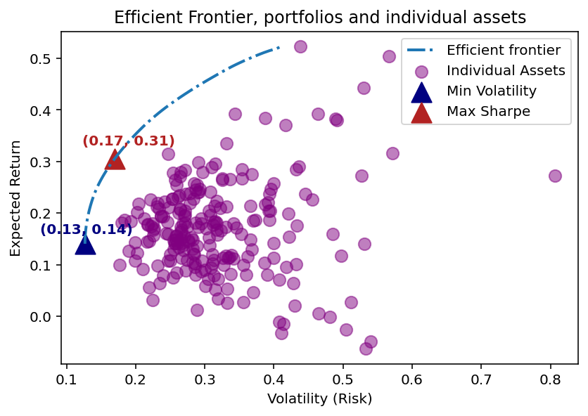
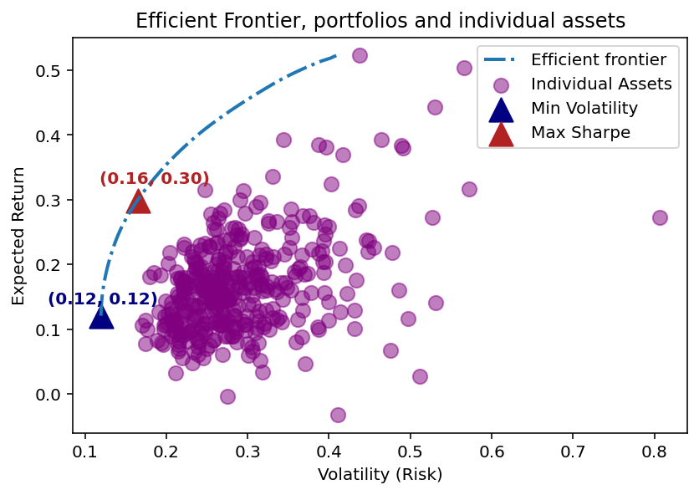

OWN |  |  |  | ALL ASSETS

